Bug 1 Functional CritacalHigh m
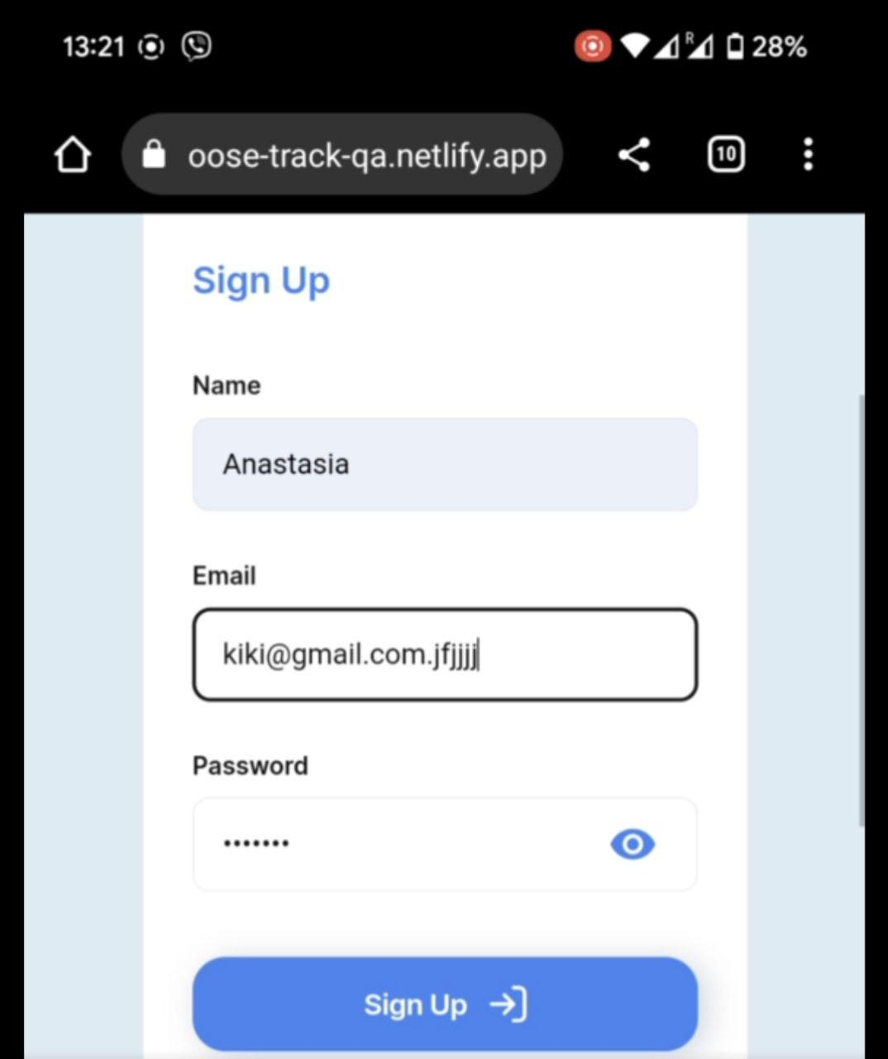
ID 1
Reporter: | Anastasia Korzh | Assignee: | <dev> | Status: | to do
Type: | Functional | Severity: | Critical | Priority: | High
Browser: | Google Chrome 116.0.5845.172 | Device: | Google Pixel 6 | OS version | Android 12
Summary: | User may register with an invalid email domain

Precondiotion | Open the web application https://goose-track-qa.netlify.app
Steps to reproduce:
1 | click on the Sigh up button
2 | enter a valid name and a valid password and invalid mail
3 | click on the Sigh up button
Test data | name Anastasia email kiki@gmail.com.jfjjjj password 3yfcnz6

Actual result:
User may register with an incorrect mail domain
Expected result:
A message about incorrect data is displayed to the user and the system does not register it
Attachments: | To the right of the bug report video link https://docs.google.com/spreadsheets/d/1uzS-QLsE-K0SY9VuUxEsS00TdAIjDX7-Vr3Cvve1swg/edit?usp=sharing
Link to layout | item of requirements B12, https://docs.google.com/spreadsheets/d/1uzS-QLsE-K0SY9VuUxEsS00TdAIjDX7-Vr3Cvve1swg/edit?usp=sharing
Additional info: | Bug to reproduce in all device: Computer: MacBook Pro Venture 13.2.1 Google Chrome Версія 116.0.5845.172 Tablet: Lenovo TB128FU ,Android 12, Google Chrome Версія 116.0.5845.172

Bug 2 Functional Computer Block
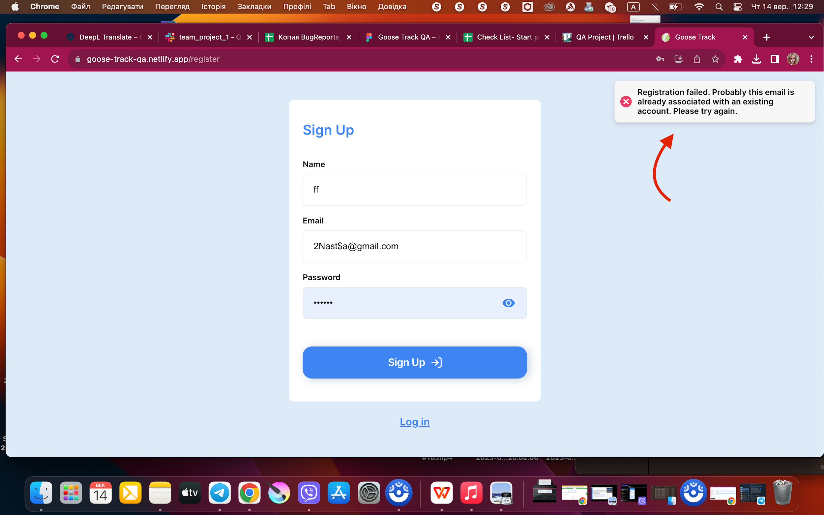
ID 1
Reporter: | Anastasia Korzh | Assignee: | <dev> | Status: | to do
Type: | Functional | Severity: | Bloker | Priority: | High
Browser: | Google Chrome Версія 116.0.5845.172 | Device: | MacBook Pro | OS version | mac OS Ventura 13.2.1.
Summary: | Incorrect server validation in the name field when registering a new user

Precondiotion | Open the website https://goose-track-qa.netlify.app
Steps to reproduce:
1 | click on the Sigh up button
2 | enter valid data in the fields and any two-letter name
3 | click on the Sigh up button
Test Data | name: ff email: 3Nasta@gmail.com login: 3Nastia
Actual result:
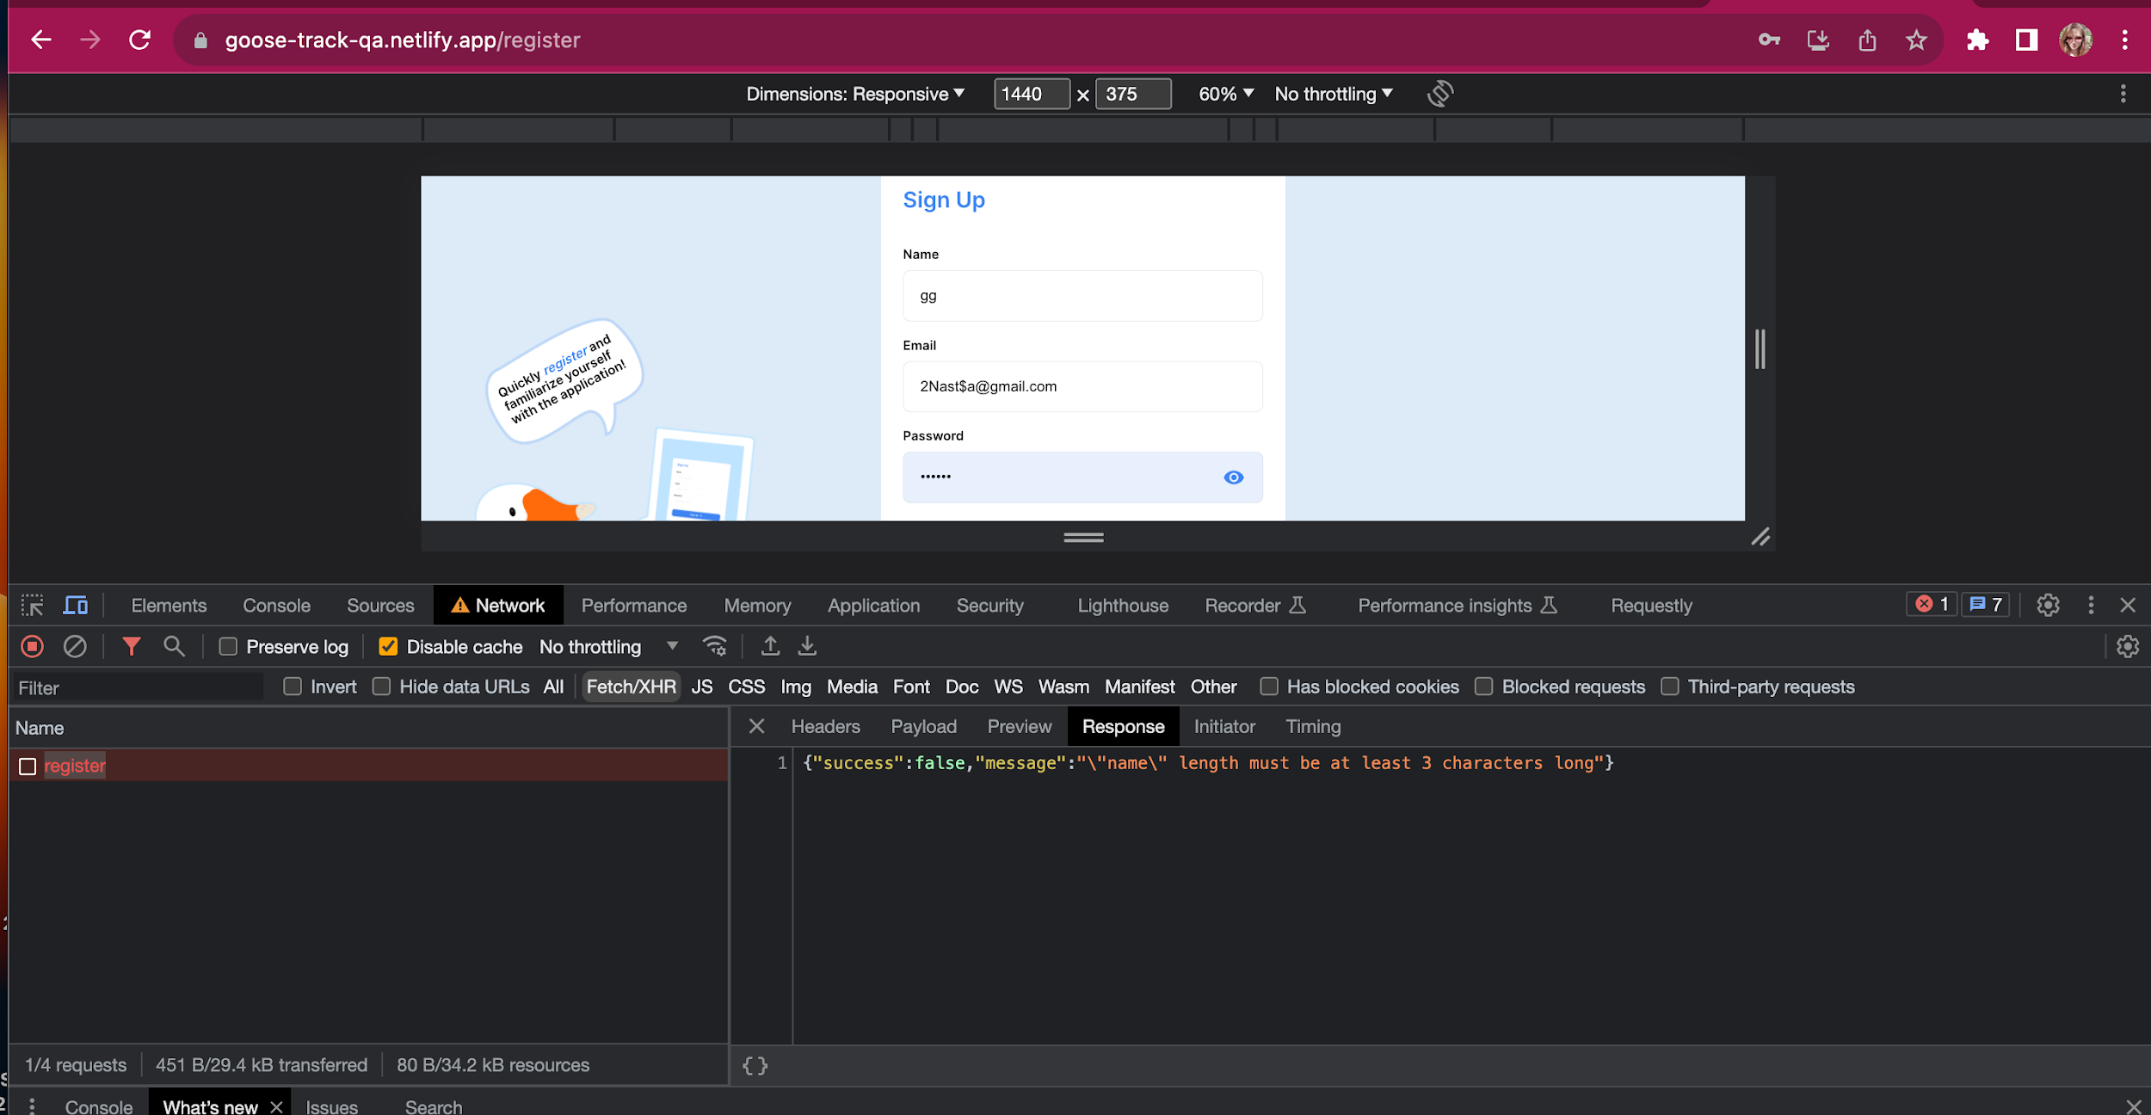
The user cannot register with a two-letter name as it is written in the field validation, because the server says that the name field must start with three letters
Expected result:
The user is registered
Attachments: | To the right of the bug report link to the video https://drive.google.com/file/d/1efqA8j6QbGxmw-qGb9BkZ13WRKox7AGD/view?usp=sharing
Link to layout | item of requirements B14, https://docs.google.com/spreadsheets/d/1uzS-QLsE-K0SY9VuUxEsS00TdAIjDX7-Vr3Cvve1swg/edit?usp=sharing
Additional info: | Bug to reproduce in all device: Tablet: Lenovo TB128FU , Android 12 ,Google Chrome Версія 116.0.5845.172 Mobile: Google Pixel 6 , Android 12 , Google Chrome Версія

Bug 3 Functional Computer highh
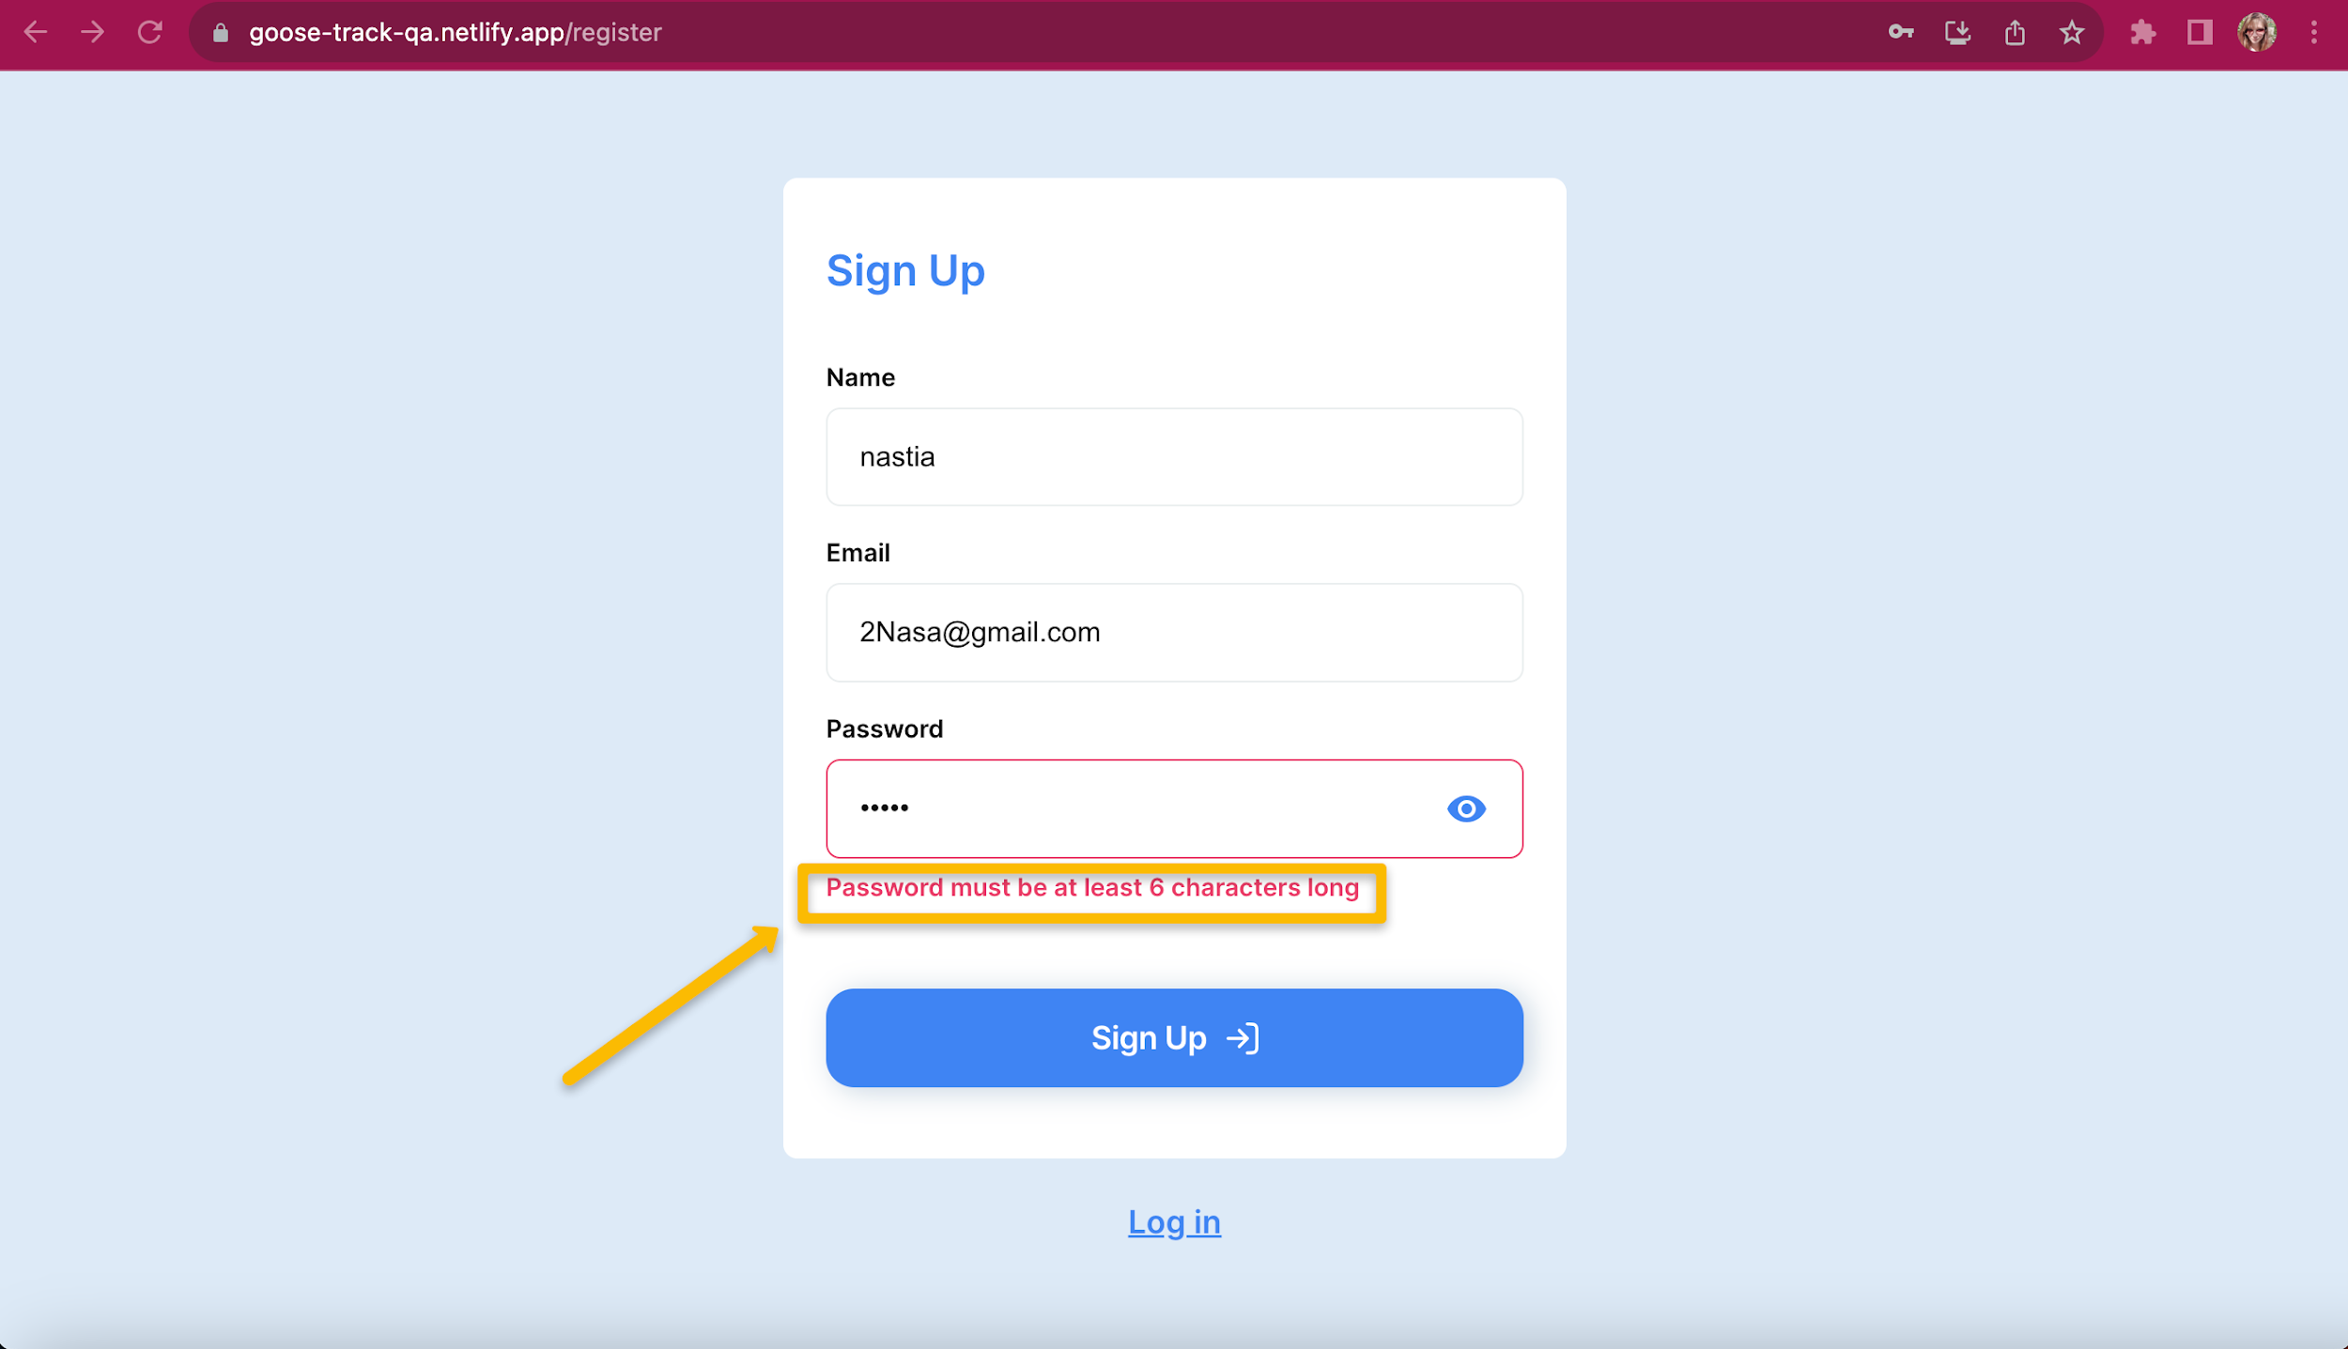
ID 1
Reporter: | Anastasia Korzh | Assignee: | <dev> | Status: | to do
Type: | Functional | Severity: | Critical | Priority: | High
Browser: | Google Chrome Версія 116.0.5845.172 | Device: | MacBook Pro | OS version | mac OS Ventura 13.2.1.
Summary: | Password field is not validated correctly during user registration

Precondiotion | Open the website https://goose-track-qa.netlify.app
Steps to reproduce:
1 | click on the Sigh up button
2 | enter valid data in the email and valid name fields
3 | enter 6 characters in the email field
4 | click on the Sigh up button
Actual result:
The user is registered in the system
Expected result:
Users cannot register with a 6-character password
Attachments: | image -To the right of the bug report
Link to layout | item of requirements B13 , , https://docs.google.com/spreadsheets/d/1uzS-QLsE-K0SY9VuUxEsS00TdAIjDX7-Vr3Cvve1swg/edit?usp=sharing
Additional info: | Bug to reproduce in all device: Tablet: Lenovo TB128FU , Android 12 ,Google Chrome Версія 116.0.5845.172 Mobile: Google Pixel 6 , Android 12 ,Google Chrome Версія

Bug 4 UI mobile
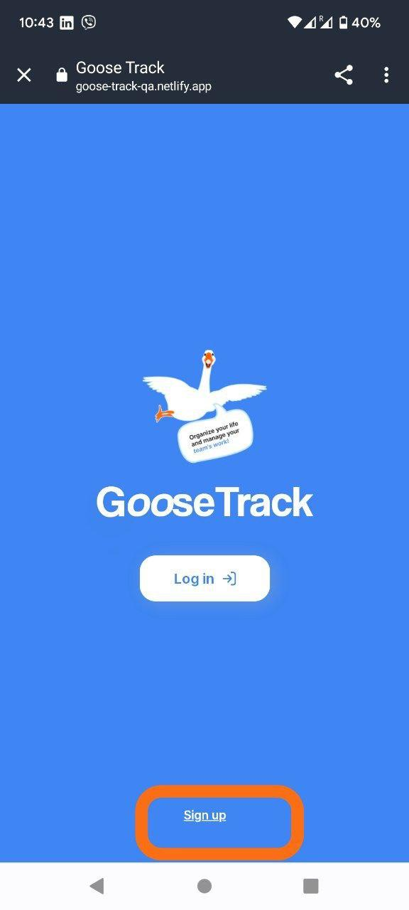
ID 1
Reporter: | Anastasia Korzh | Assignee: | <dev> | Status: | to do
Type: | UI | Severity: | Minor | Priority: | Low
Browser: | Google Chrome 116.0.5845.172 | Device: | Google Pixel 6 | OS version | Android 12
Summary: | The Sign up button on the start screen does not match the design
Steps to reproduce:
1 | open the web application https://goose-track-qa.netlify.app
2 | pay attention to the location of the Sign up button
Actual result:
The button is located at the bottom of the screen
Expected result:
According to the layout, the button should be located below the Log in button
Attachments: | To the right of the bug report
Link to layout | https://www.figma.com/file/f7uLYm8gC8TnHEhegDFgN5/Goose-Track-QA?type=design&node-id=0-1&mode=design&t=hpWZChXj7AG7cYyr-0
Additional info:

Bug 5 UI tablet
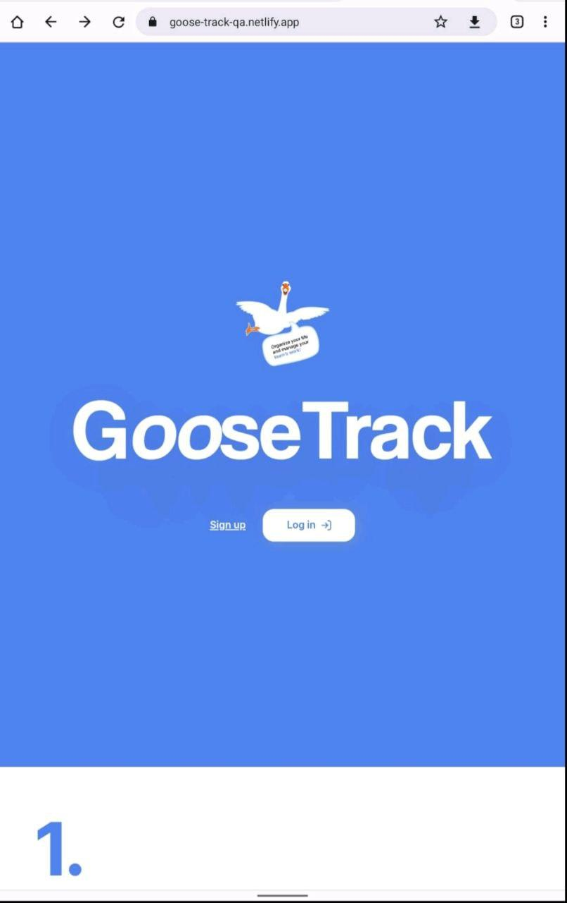
ID 1
Reporter: | Anastasia Korzh | Assignee: | <dev> | Status: | to do
Type: | UI | Severity: | Minor | Priority: | Low
Browser: | Google Chrome Версія 116.0.5845.172 | Device: | Lenovo TB128FU | OS version | Android 12
Summary: | The page title on the start page is not adaptive to the layout
Steps to reproduce:
1 | open the web application https://goose-track-qa.netlify.app
Actual result:
The page title is not displayed in full screen
Expected result:
The page title is displayed in full screen
Attachments: | To the right of the bug report
Link to layout | https://www.figma.com/file/f7uLYm8gC8TnHEhegDFgN5/Goose-Track-QA?type=design&node-id=0-1&mode=design&t=hpWZChXj7AG7cYyr-0
Additional info:

Bug 6 UI computer
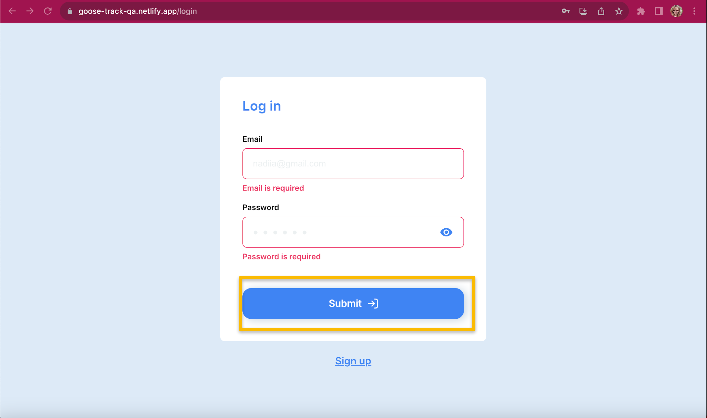
ID 1
Reporter: | Anastasia Korzh | Assignee: | <dev> | Status: | to do
Type: | UI | Severity: | Minor | Priority: | Low
Browser: | Google Chrome Версія 116.0.5845.172 | Device: | MacBook Pro | OS version | mac OS Ventura 13.2.1.
Summary: | Incorrectly signed button in the Log in form
Steps to reproduce:
1 | open the web application https://goose-track-qa.netlify.app
2 | click on the Log in button
Actual result:
The button is signed as Submit
Expected result:
According to the layout, the button is labeled as Log in
Attachments: | To the right of the bug report
Link to layout | https://www.figma.com/file/f7uLYm8gC8TnHEhegDFgN5/Goose-Track-QA?type=design&node-id=0-1&mode=design&t=hpWZChXj7AG7cYyr-0
Additional info:

Bug 8 user profile computer
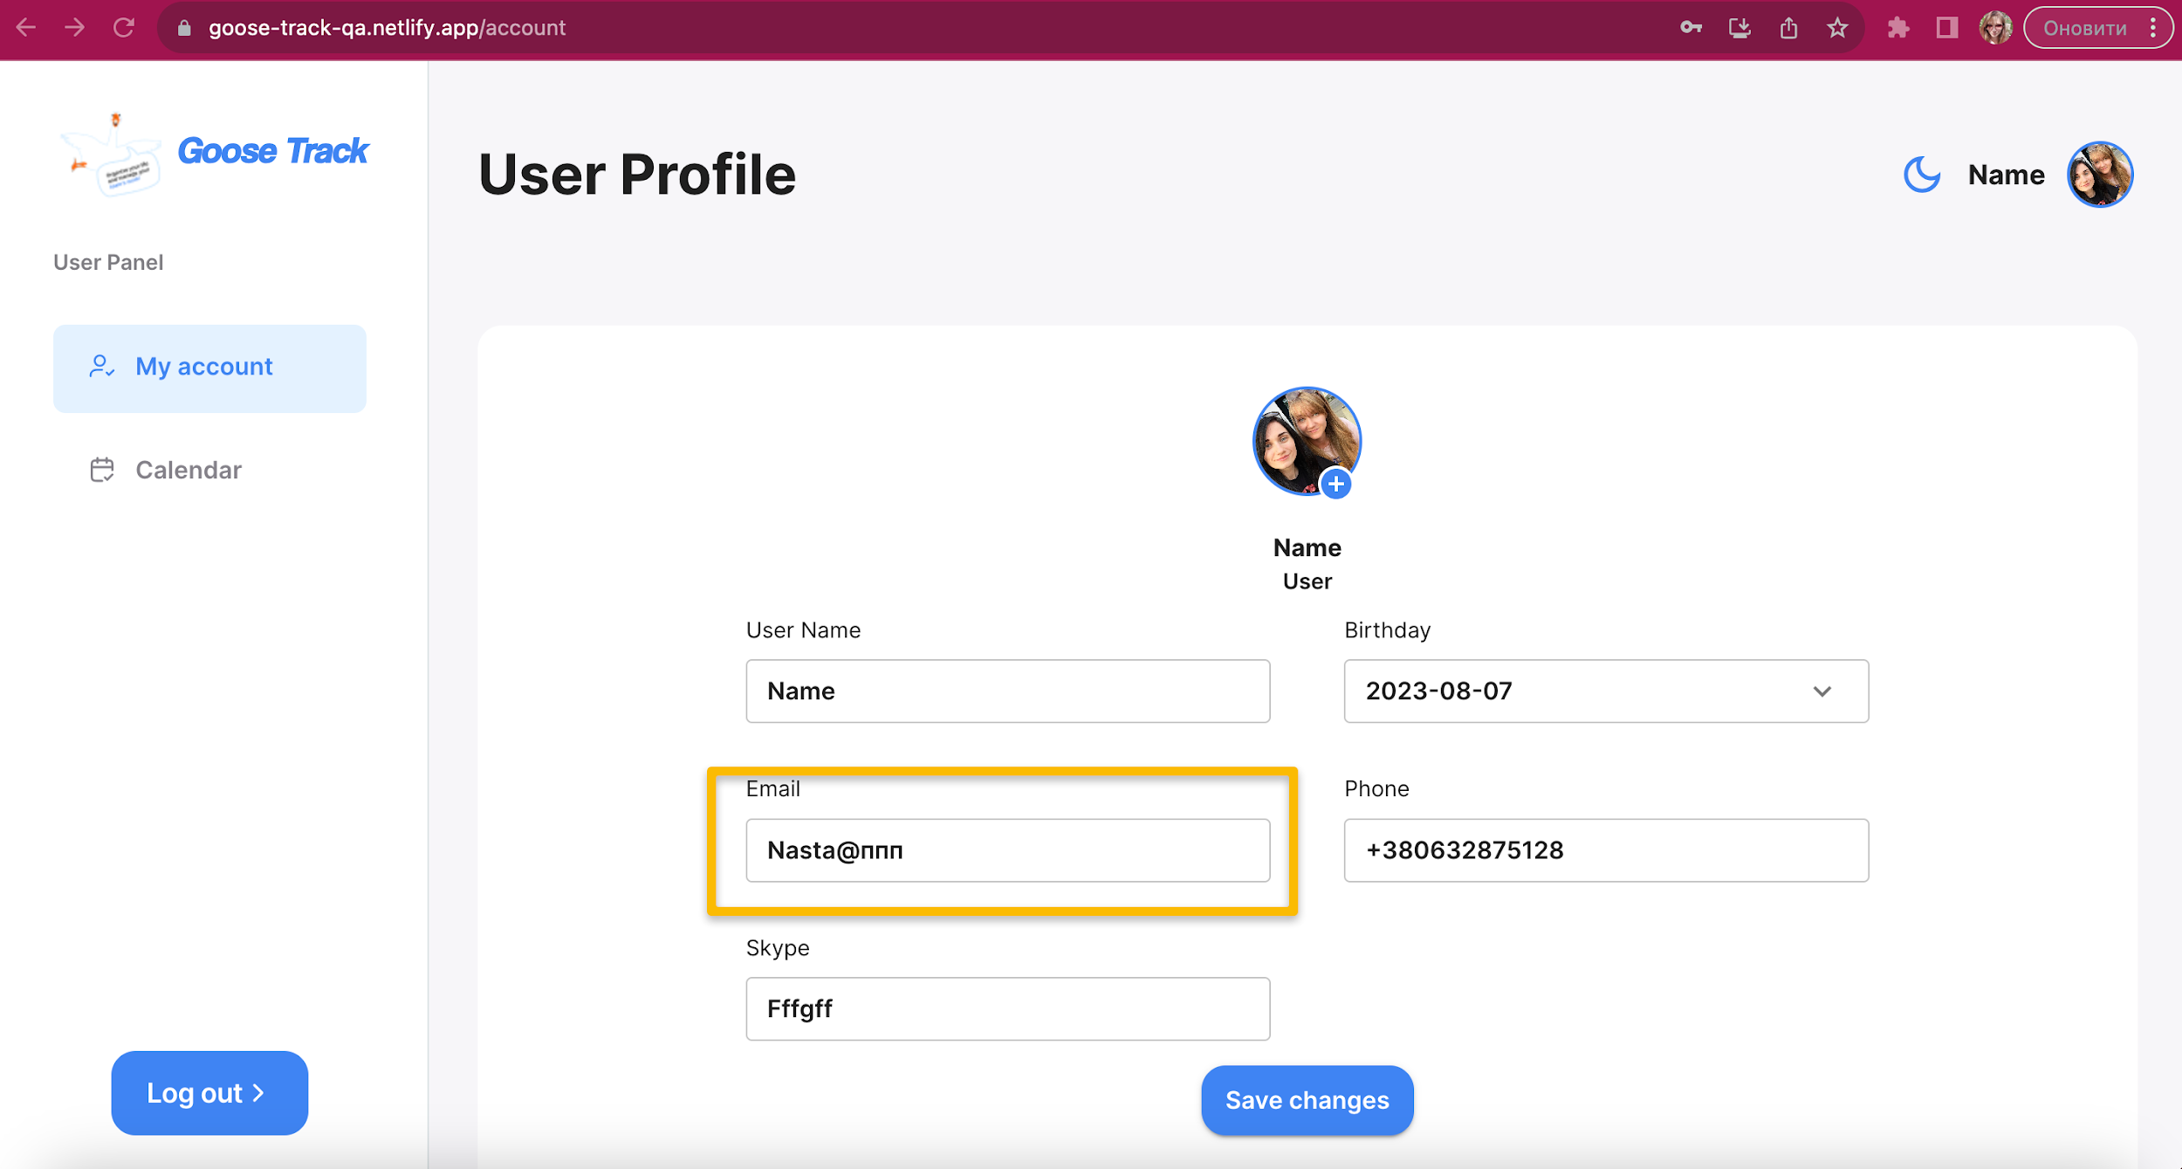
ID 1
Reporter: | Anastasia Korzh | Assignee: | <dev> | Status: | to do
Type: | Functional | Severity: | Critical | Priority: | High
Browser: | Google Chrome Версія 116.0.5845.172 | Device: | MacBook Pro | OS version
Summary: | Email field is not validated when entering incorrect data
Precondition | 1.open the web application https://goose-track-qa.netlify.app
 | 2.the user must be logged in and be on the User Profile page.
Steps to reproduce:
1 | enter the invalid email in the email field (Nasta@ппп)
Actual result:
A user can enter invalid mail
Expected result:
the field does not pass validation and does not inform the user about entering incorrect data
Attachments: | To the right of the bug report
Additional info: | " Bug to reproduce in all device: Tablet: Lenovo TB128FU , Android 12 ,Google Chrome Версія 116.0.5845.172 Mobile: Google Pixel 6 , Android 12 ,Google Chrome Версія"

Bug 9 computer criticalhigh
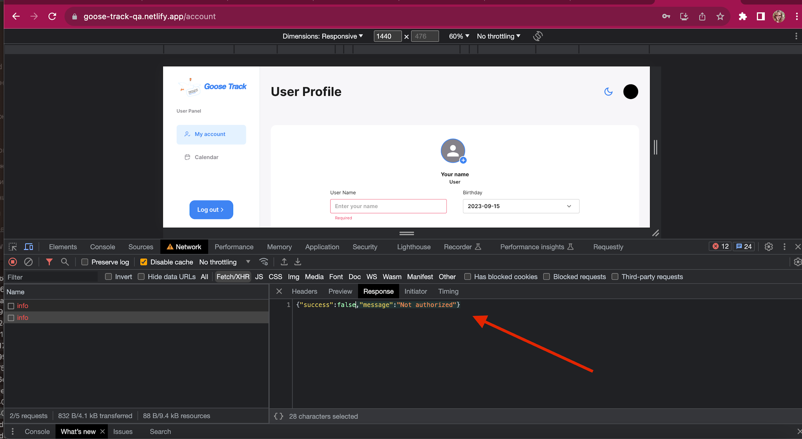
ID 1
Reporter: | Anastasia Korzh | Assignee: | <dev> | Status: | to do
Type: | Functional | Severity: | Critical | Priority: | High
Browser: | Google Chrome Версія 116.0.5845.172 | Device: | MacBook Pro | OS version | mac OS Ventura 13.2.1.
Summary: | Unlogs the user and leaves them on the authorized user's page

Precondition | 1. open the web application https://goose-track-qa.netlify.app
 | 2. the user must have been logged in before
Steps to reproduce:
1 | open the User Profile page
2 | do not use the site for 10 minutes
Actual result:
logs the user out of the system, but leaves the user in the authorized user profile
Expected result:
unlogs the user and returns to the start page
Attachments: | To the right of the bug report link to video https://drive.google.com/file/d/1lnWOwNLaQf8Z9zBBWk44W3XV1UXE9s1w/view?usp=sharing
Additional info: | " Bug to reproduce in all device: Tablet: Lenovo TB128FU , Android 12 ,Google Chrome version 116.0.5845.172 Mobile: Google Pixel 6 , Android 12 ,Google Chrome version 116.0.5845.172

Bug 10 functional Tablet
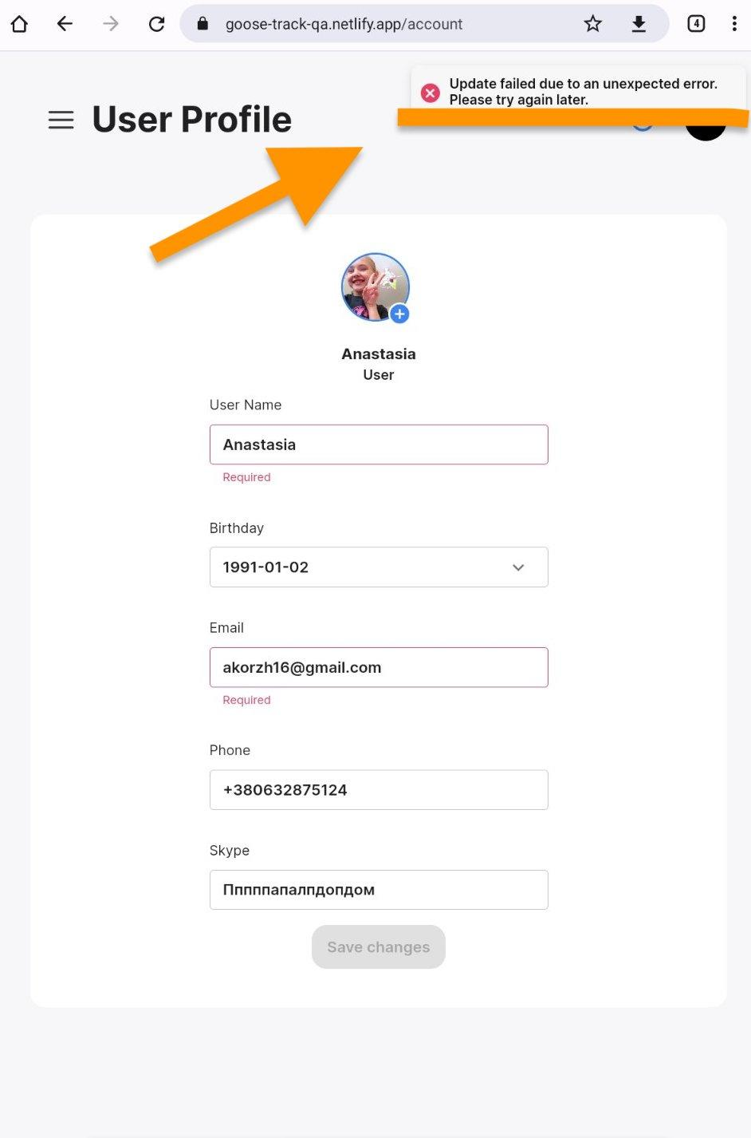
ID 1
Reporter: | Anastasia Korzh | Assignee: | <dev> | Status: | to do
Type: | Functional | Severity: | Magor | Priority: | Medium
Browser: | Google Chrome Версія 116.0.5845.172 | Device: | Lenovo TB128FU | OS version | Android 12
Summary: | Incorrect text of the push notification when entering invalid data in User Profile

Precondition | open the web application https://goose-track-qa.netlify.app
 | the user must be logged in
Steps to reproduce:
1 | click on the photo icon at the top of the page
2 | in the modal window that opens, click on My account
3 | change the user name or change the email field to invalid
Actual result:
the user will see a push notification with the "unexpected result" test
Expected result:
the user will see a correct test push notification informing about the validation error
Attachments: | To the right of the bug report
 | item B24 to the requirement https://docs.google.com/spreadsheets/d/1uzS-QLsE-K0SY9VuUxEsS00TdAIjDX7-Vr3Cvve1swg/edit#gid=0
Additional info: | " Bug to reproduce in all device: Mobile: Google Pixel 6 , Android 12 ,Google Chrome version 116.0.5845.172 Macbook pro Ventura 13.2.1 , Google Chrome version 116.0.5845.187

Bug 11 user profile computer
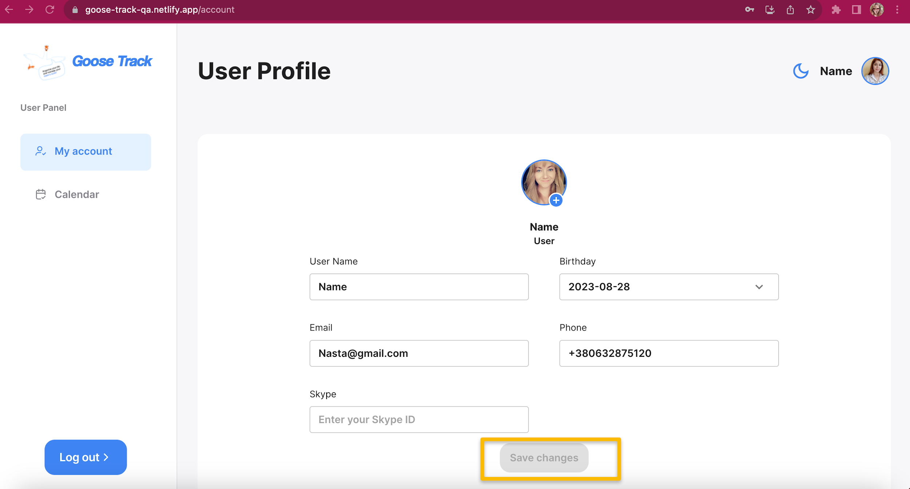
ID 1
Reporter: | Anastasia Korzh | Assignee: | <dev> | Status: | to do
Type: | Functional | Severity: | Magor | Priority: | High
Browser: | Google Chrome Версія 116.0.5845.172 | Device: | MacBook Pro | OS version | mac OS Ventura 13.2.1.
Summary: | The "Save Changes" button is inactive when changing a photo for the second time in a row

Precondition | 1. open the web application https://goose-track-qa.netlify.app
 | 2. the user must have been logged in before
Steps to reproduce:
1 | open the User Profile page
2 | click on the "+" button under the profile photo and select a valid photo from the gallery
3 | click on the "Save Changes" button
4 | click on the "+" button under the profile photo and select a valid photo from the gallery
Actual result:
the "Save Changes" button is not active
Expected result:
the "Save Changes" button is active and allows you to change the photo a second time
Attachments: | To the right of the bug report link to video https://drive.google.com/file/d/1bgwYO7WteH8RplAD4d6w-W9yU0WlgMBg/view?usp=sharing
Additional info: | " Bug to reproduce in all device: Tablet: Lenovo TB128FU , Android 12 ,Google Chrome version 116.0.5845.172 Mobile: Google Pixel 6 , Android 12 ,Google Chrome version 16.0.5845.172"

Bug 12 user profile computer
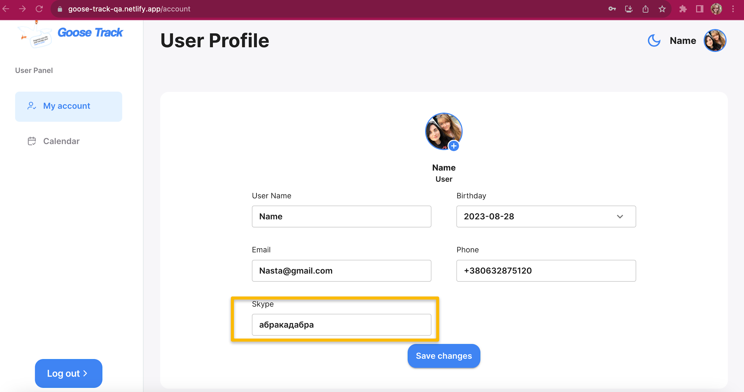
ID 1
Reporter: | Anastasia Korzh | Assignee: | <dev> | Status: | to do
Type: | Functional | Severity: | Major | Priority: | High
Browser: | Google Chrome Версія 116.0.5845.172 | Device: | MacBook Pro | OS version | mac OS Ventura 13.2.1.
Summary: | The Skype field in the user profile accepts Cyrillic characters

Precondition | 1. open the web application https://goose-track-qa.netlify.app
 | 2. the user must have been logged in before
Steps to reproduce:
1 | open user profile
2 | enter Cyrillic text in the Skype field
Actual result:
user can enter Skype login in Cyrillic and save this data
Expected result:
the user is shown an empty notification about incorrect field validation
Attachments: | To the right of the bug report
Additional info: | " Bug to reproduce in all device: Tablet: Lenovo TB128FU , Android 12 ,Google Chrome version 116.0.5845.172 Mobile: Google Pixel 6 , Android 12 ,Google Chrome version 16.0.5845.172"

Bug 13 user profile computer
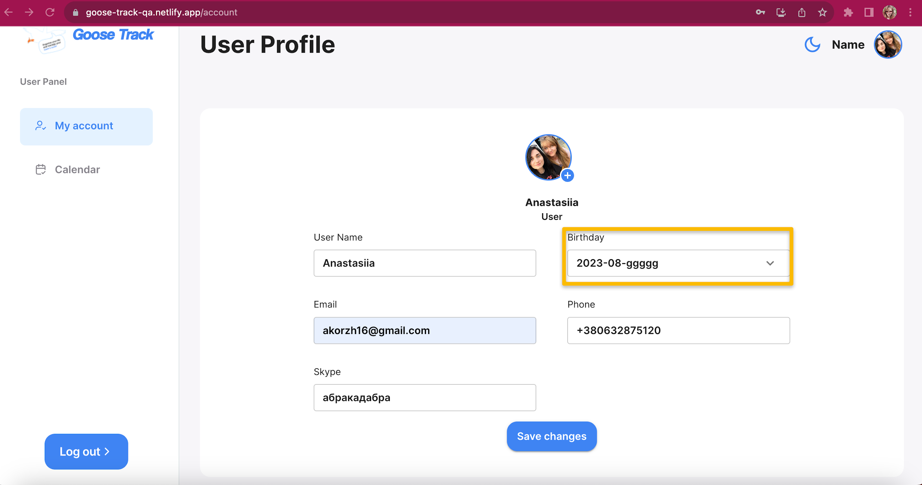
ID 1
Reporter: | Anastasia Korzh | Assignee: | <dev> | Status: | to do
Type: | Functional | Severity: | Major | Priority: | High
Browser: | Google Chrome Версія 116.0.5845.172 | Device: | MacBook Pro | OS version | mac OS Ventura 13.2.1.
Summary: | The birthday field in the user profile accepts letters

Precondition | 1. open the web application https://goose-track-qa.netlify.app
 | 2. the user must have been logged in before
Steps to reproduce:
1 | open user profile
2 | enter text in the Birthday field
Actual result:
User can enter letters in the birthday field
Expected result:
if you enter invalid data in the field, a push notification appears
Attachments: | To the right of the bug report
Additional info: | " Bug to reproduce in all device: Tablet: Lenovo TB128FU , Android 12 ,Google Chrome version 116.0.5845.172 Mobile: Google Pixel 6 , Android 12 ,Google Chrome version 16.0.5845.172"

